YOUNG FEMALES
 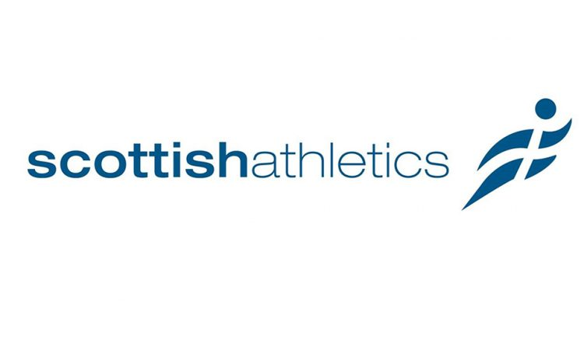 NORTH DISTRICT XC RELAY CHAMPIONSHIPS 2022 - YOUNG FEMALE TEAM RESULTS
Team No. | 1st Runner |  |  |  | 2nd Runner |  |  |  | 3rd Runner
 | Name | Position | Runner time | Finish time | Name | Position | Runner time | Finish time | Name | Position | Runner time | Finish time | Club
1 | Rosie Conroy | 1 | 0:10:19 | 0:10:19 | Lois Macrae | 1 | 0:08:52 | 0:19:11 | Katie Meek | 1 | 0:09:14 | 0:28:25 | IHAAC 1st GOLD
3 | Annie English | 2 | 0:10:24 | 0:10:24 | Kirsty Muir | 4 | 0:11:48 | 0:22:12 | Isla Rutter | 6 | 0:11:30 | 0:33:42 | IHAAC 2
2 | Lucy Beastall | 3 | 0:10:25 | 0:10:25 | Sky Simpson | 3 | 0:10:12 | 0:20:37 | Anna Cairns | 3 | 0:10:18 | 0:30:55 | IHAAC 3rd BRONZE
7 | Hollie Steele | 4 | 0:10:50 | 0:10:50 | Emma Steel | 5 | 0:11:59 | 0:22:49 | Jessica Needs | 5 | 0:09:42 | 0:32:31 | PETERHEAD AC
13 | Naomi Ferris | 5 | 0:11:02 | 0:11:02 | Abbie Stewart | 2 | 0:09:20 | 0:20:22 | Kyla McMurdo | 2 | 0:10:04 | 0:30:26 | SRAC 2nd SILVER
12 | Marley MacDonald | 6 | 0:11:56 | 0:11:56 | Rowan Reid | 7 | 0:11:35 | 0:23:31 | Emilly Murray | 7 | 0:10:20 | 0:33:51 | SRAC
11 | Alice Reid | 7 | 0:12:06 | 0:12:06 | Sarah MacLeod | 9 | 0:13:19 | 0:25:25 | Maya Macaskill | 9 | 0:11:09 | 0:36:34 | SRAC
9 | Erin Gordon | 8 | 0:12:27 | 0:12:27 | Daisy Hendry | 8 | 0:11:07 | 0:23:34 | Emily Bell | 8 | 0:10:46 | 0:34:20 | RCAC
10 | Aila MacLean | 9 | 0:12:37 | 0:12:37 | Amelie Robinson | 11 | 0:13:40 | 0:26:17 | Morag Lynch | 10 | 0:11:48 | 0:38:05 | RCAC
8 | Isla Young | 10 | 0:12:44 | 0:12:44 | Flora Sutherland | 6 | 0:10:14 | 0:22:58 | Caitlyn Heggie | 4 | 0:09:00 | 0:31:58 | RCAC
6 | Josie Byers | 11 | 0:12:46 | 0:12:46 | Hayley Curran | 10 | 0:12:56 | 0:25:42 | Jess Macpherson | 11 | 0:12:55 | 0:38:37 | NAAC

 |  |  |  |  |  |  |  |  | FASTEST LAP
 | Anna Meek IHAAC | NC | 0:10:08 |  |  |  |  |  | Lois Macrae | 1 | 0:08:52
 |  |  |  |  |  |  |  |  | Caitlyn Heggie | 2 | 0:09:00
 |  |  |  |  |  |  |  |  | Katie Meek | 3 | 0:09:14

